Monopattini FANTIC
PHOTO | ITEM | WEIGHT | AUTONOMY | DIMENSIONS FOLDED | PCS x PALLET | POWER | MAX.VEL. | PCS AVAILABLE | PALLET AVAILABLE | RETAIL PRICE | OFFER NET VAT
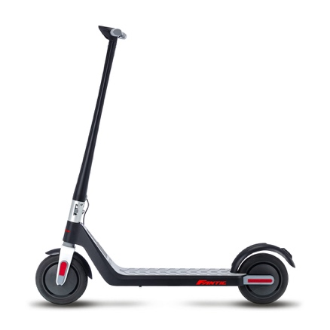 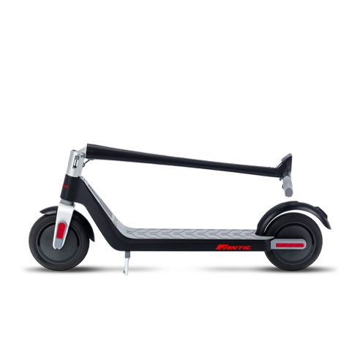 | E-Scooter FANTIC TX2 | 13,9 Kg | 25 Km | 1100 x 180 x 480 mm | 20 | 500 W | 25 Km/h | 400 | 20.00 | 590.00 € | 180.00 €

 |  |  |  |  |  |  |  | 400 | 20.00

 | MERCE A CONCOREZZO (MB) 20863 PREZZI NETTO IVA - EX WORKS MOQ 300 pezzi

